Create Client
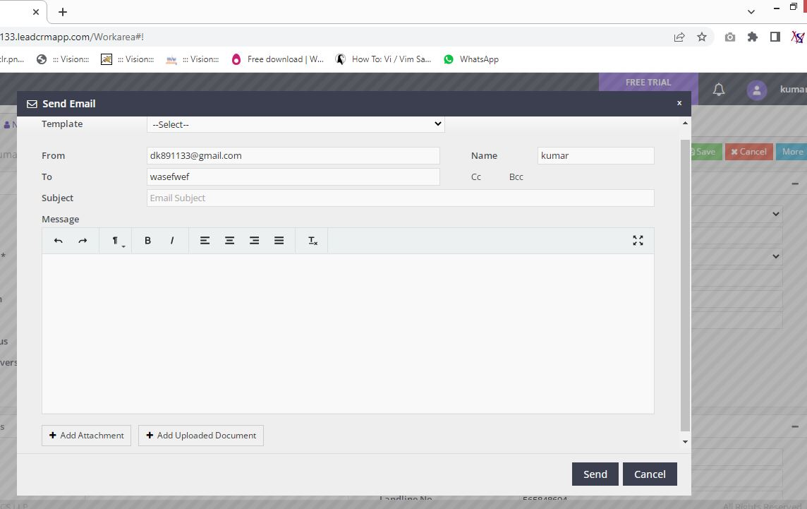
Client

Collapse | Create Client
 | Search Client
 | Bulk Edit
 | Client Portfolio
 | Merge Client
 | Manage Client User

Create New lead | Grid | Functionality | Heading
 | Client Details | Save | Create New Client
 | Contact Details | Cancel
 | Other Details
 | Upload Documents

 |  | Create Client -- Creating New Client |  |  |  | Image

1. Client Details Grid | Field name | Field Type | Mandatory | Validation
Client Details | Client Type | DropDown | Y | Select Option
Client Details | Title | DropDown | N | Select Option
Client Details | Client Name | Text | Y | Alphabets, Length
Client Details | Gender | DropDown | N | Select Option
Client Details | Date of Birth | Date | N | Not Future Date
Client Details | Age | Text | N | Numeric
Client Details | Marital Status | DropDown | N | Select Option
Client Details | Date of Anniversary | Date | N | Date Format, not before today
Client Details | PAN | Text | N | Length
Client Details | Occupation | DropDown | N | Select Option
Client Details | Designation | Text | N | Length
Client Details | Annual Income | DropDown | N | Select Option
Client Details | Passport No | Text | N | Length
Client Details | GSTIN | Text | N | Length
Client Details | DMATID | Text | N | Length

2. Contact Details Grid | Field name | Field Type | Mandatory | Validation

Contact Details | Location | Text | N | Length
Contact Details | Address | Text | N | Length
Contact Details | City | Text | N | Length
Contact Details | State | DropDown | N | Select Option
Contact Details | PIN | Text | N | Numeric
Contact Details | Alternate Address | Text | N | Length
Contact Details | Mobile No | Text | N | Numeric, Length
Contact Details | Other Contact Details | Text | N | Numeric, Length
Contact Details | Landline No | Text | N | Numeric, Length
Contact Details | Email id | Text | N | MailFormat, Length

3. Other Details Grid | Field name | Field Type | Mandatory | Validation

Other Details | Default User | DropDown | N | Select Option
Other Details | Is Group Client | DropDown | N | Select Option
Other Details | Group Client | DropDown | N | Select Option
Other Details | POS | DropDown | N | Select Option
Other Details | Source | DropDown | N | Select Option
Other Details | Will Provide Reference? | DropDown | N | Select Option

If Group Client is Y in Drop Down add Members
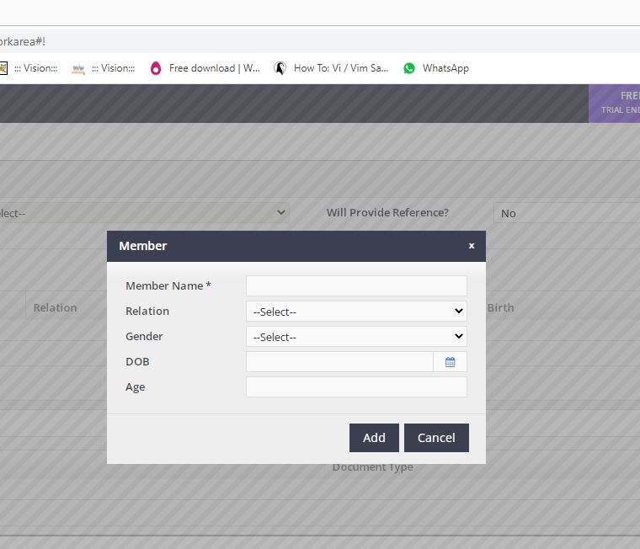

3.1 Add Group Members | Field name | Field Type | Mandatory
Member | Member Name | Text | Y
 | Relation | DropDown
 | Gender | DropDown
 | DOB | Date
 | Age

4 Upload Documents | Field name | Field Type | Mandatory | Validation
Upload Documents | Files to Upload

 | After File Upload options for view that file

 | File Type
 | File Name
 | Document Type | DropDown | Y
 | View
 | Delete

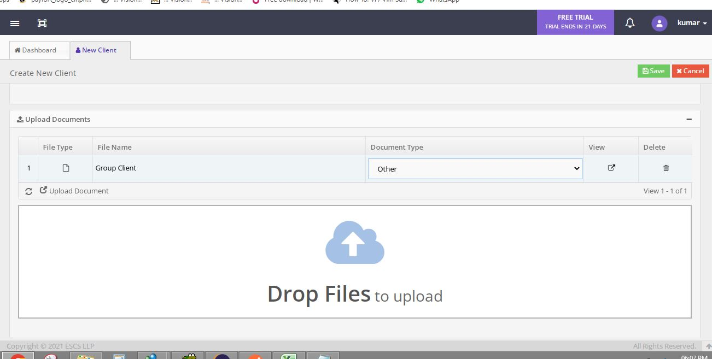

4.1 Document Upload Option

After Upload

After Client Creation
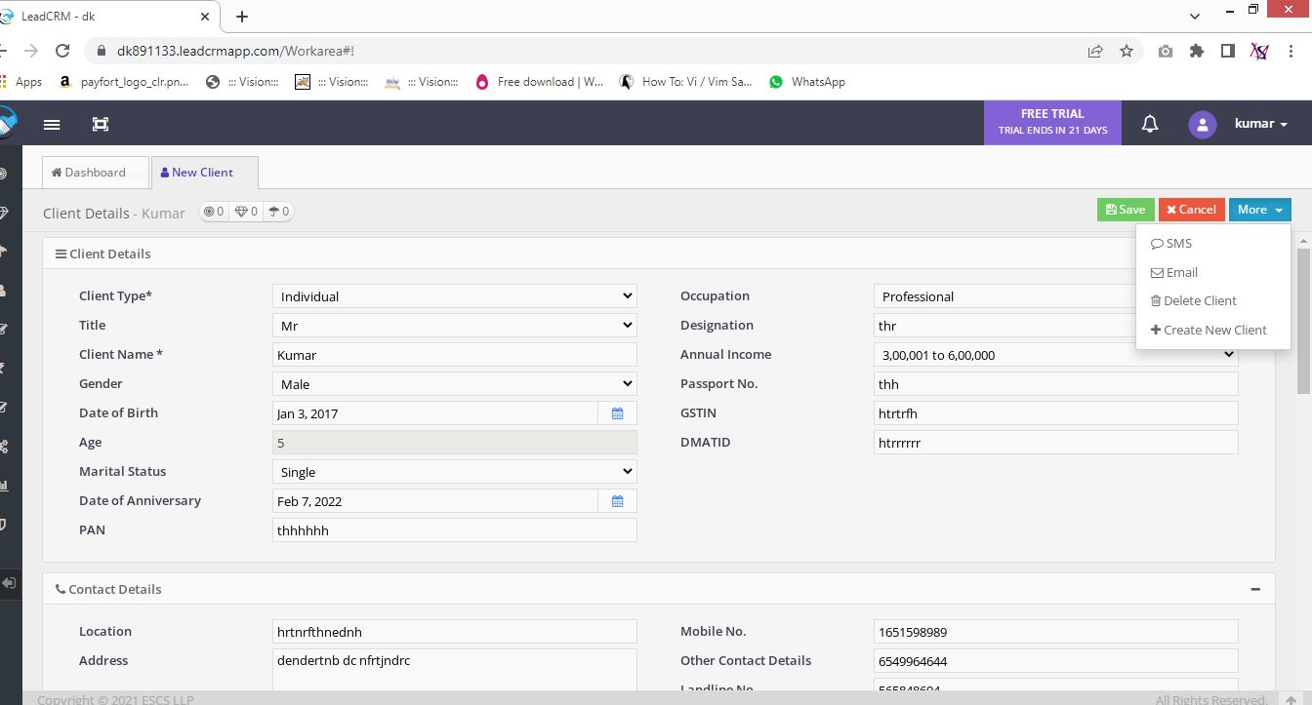

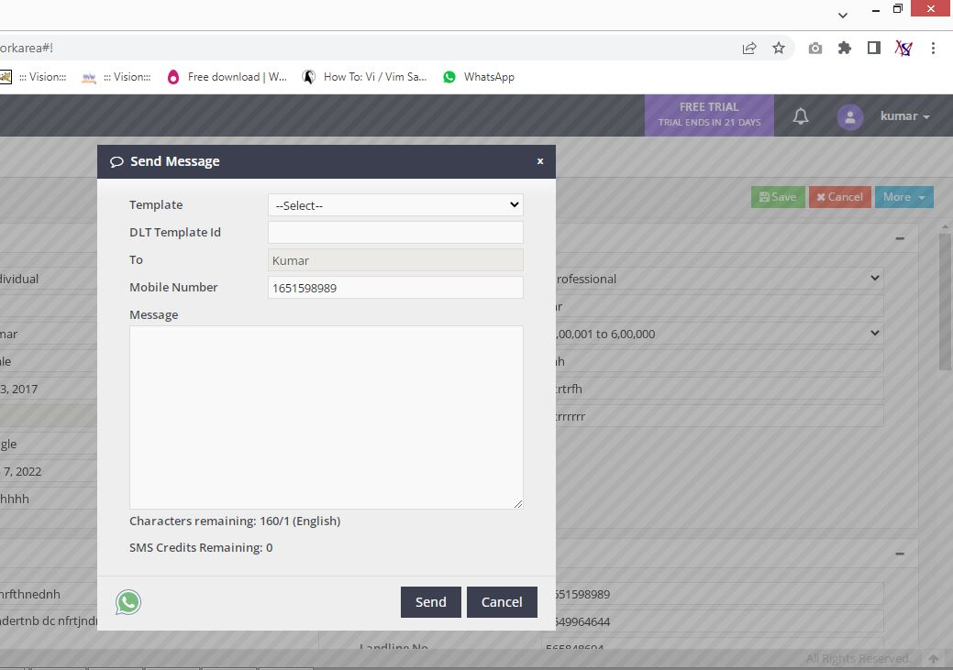
Send Sms Option
 |  |  |  |  | Send Email Option

Search Client
 |  | Search Client -- Search client and edit details of that client

 | Search client by Name, Mobile No, Email Id
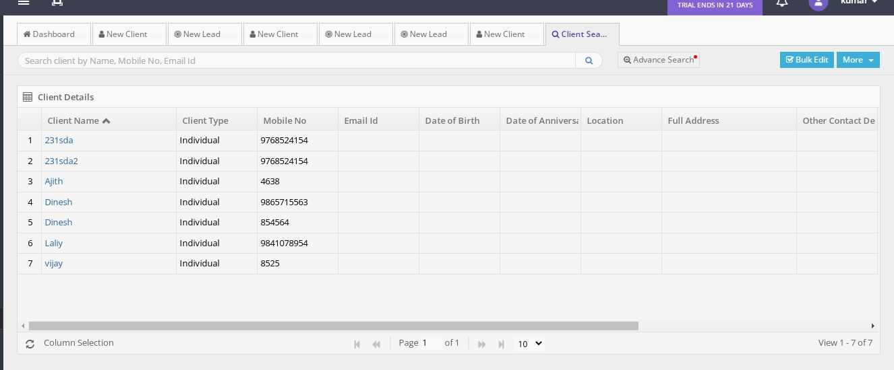
Client Details Grid | Field name | Field Type | Mandatory | Validation

Client Details | Client Name
Client Details | Client Type
Client Details | Mobile No
Client Details | Email Id
Client Details | Date Of Birth
Client Details | Date Of Anniversary
Client Details | Location
Client Details | Full Address
Client Details | Other Contact Details
Client Details | Group Client
Client Details | Is Group Client
Client Details | Will Provide Reference
Client Details | POS

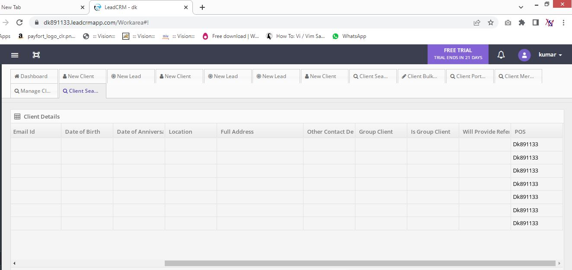
 |  |  | More
 |  |  | view Lead
 |  |  | View prospect
 |  |  | view policy

 |  |  | Pagination Required

Search Claim
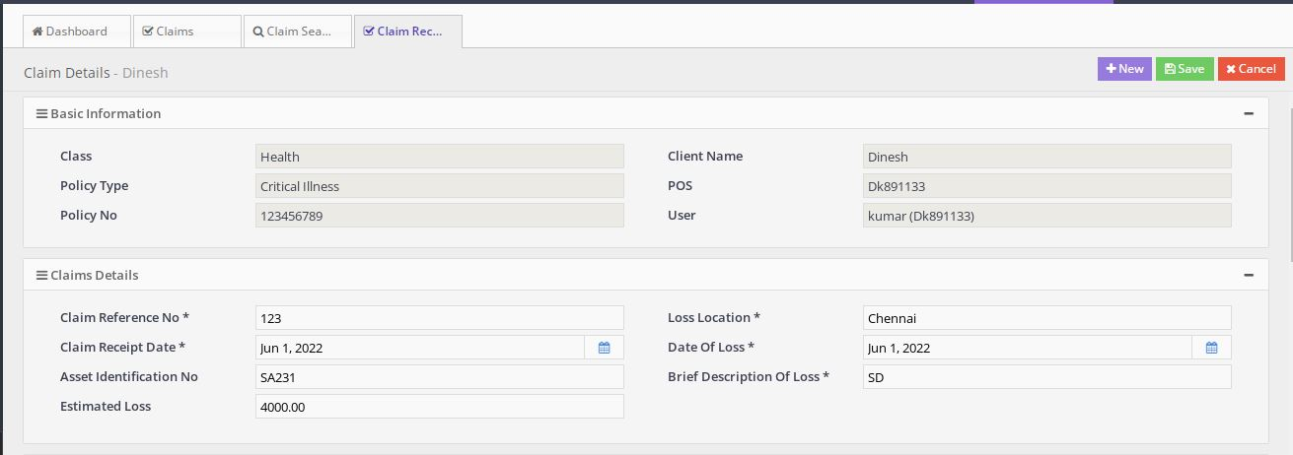
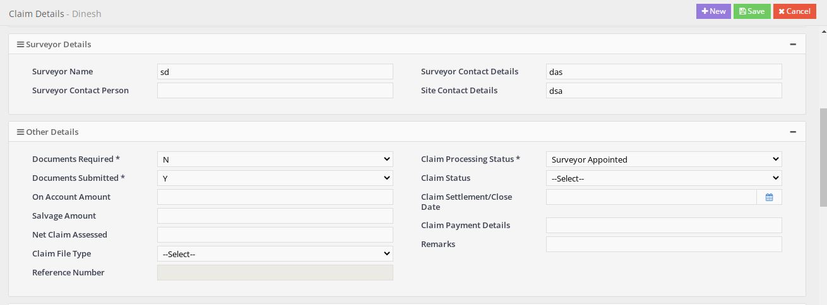
 |  | Search Claim

 | Claim Search

 | Advance Search

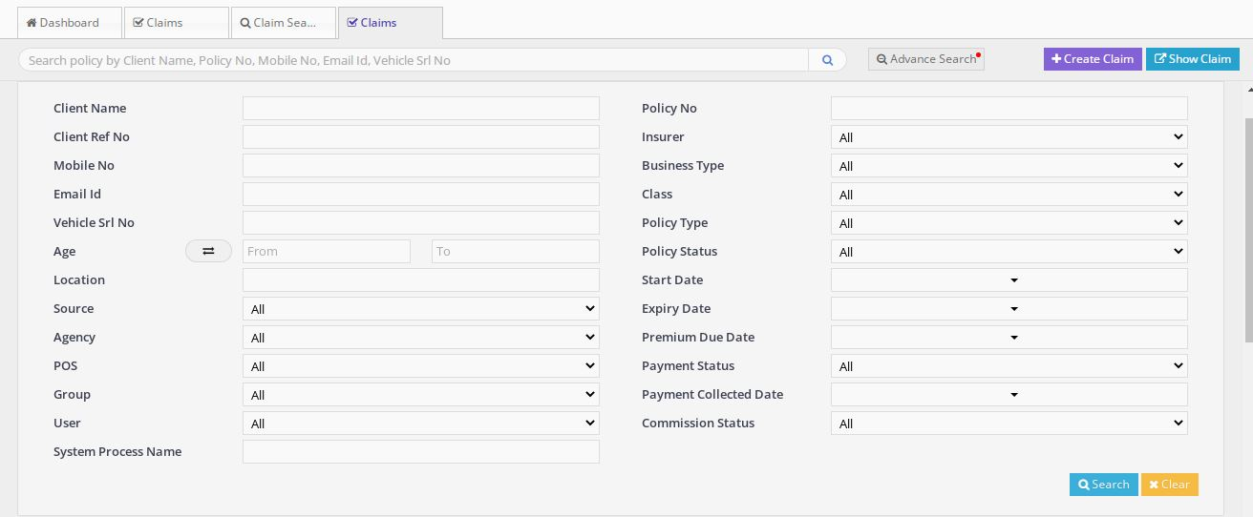
Advance Search | Field name | Field Type | Mandatory | Validation

Advance Search | Client Name | Text
Advance Search | Client Ref No | Text
Advance Search | Mobile No | Text
Advance Search | Email Id | Text
Advance Search | Vehicle Srl No | Text
Advance Search | Age From | Text
Advance Search | Age To | Text
Advance Search | Location | Text
Advance Search | Source | Drop Down
Advance Search | Agency | Drop Down
Advance Search | POS | Drop Down
Advance Search | Group | Drop Down
Advance Search | User | Drop Down
Advance Search | System Process Name | Text
Advance Search | Policy No | Text
Advance Search | Insurer | Drop Down
Advance Search | Business Type | Drop Down
Advance Search | Class | Drop Down
Advance Search | Policy Type | Drop Down
Advance Search | Policy Status | Drop Down
Advance Search | Start Date | Drop Down
Advance Search | Expiry Date | Drop Down
Advance Search | Premium Due Date | Drop Down
Advance Search | Payment Status | Drop Down
Advance Search | Payment Collected Date | Drop Down
Advance Search | Commission Status | Drop Down

